Script
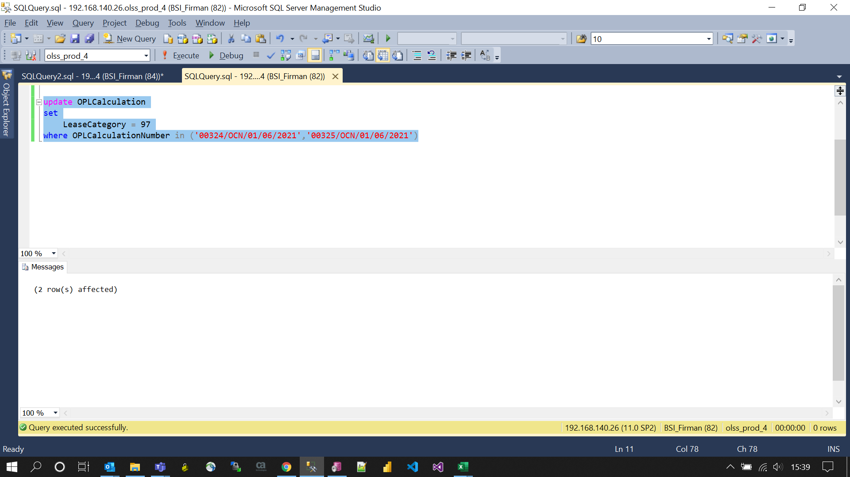
update OPLCalculation
set
 | LeaseCategory = 97
where OPLCalculationNumber in ('00324/OCN/01/06/2021','00325/OCN/01/06/2021')

Screenshot
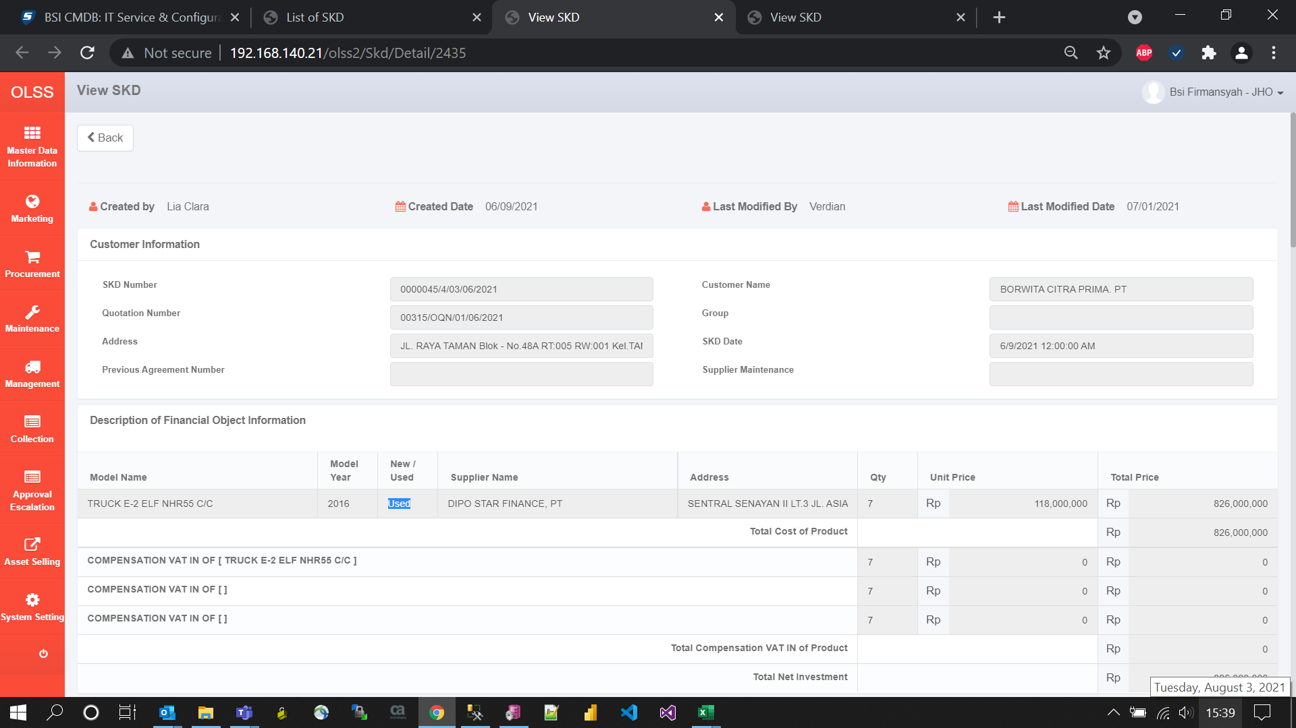
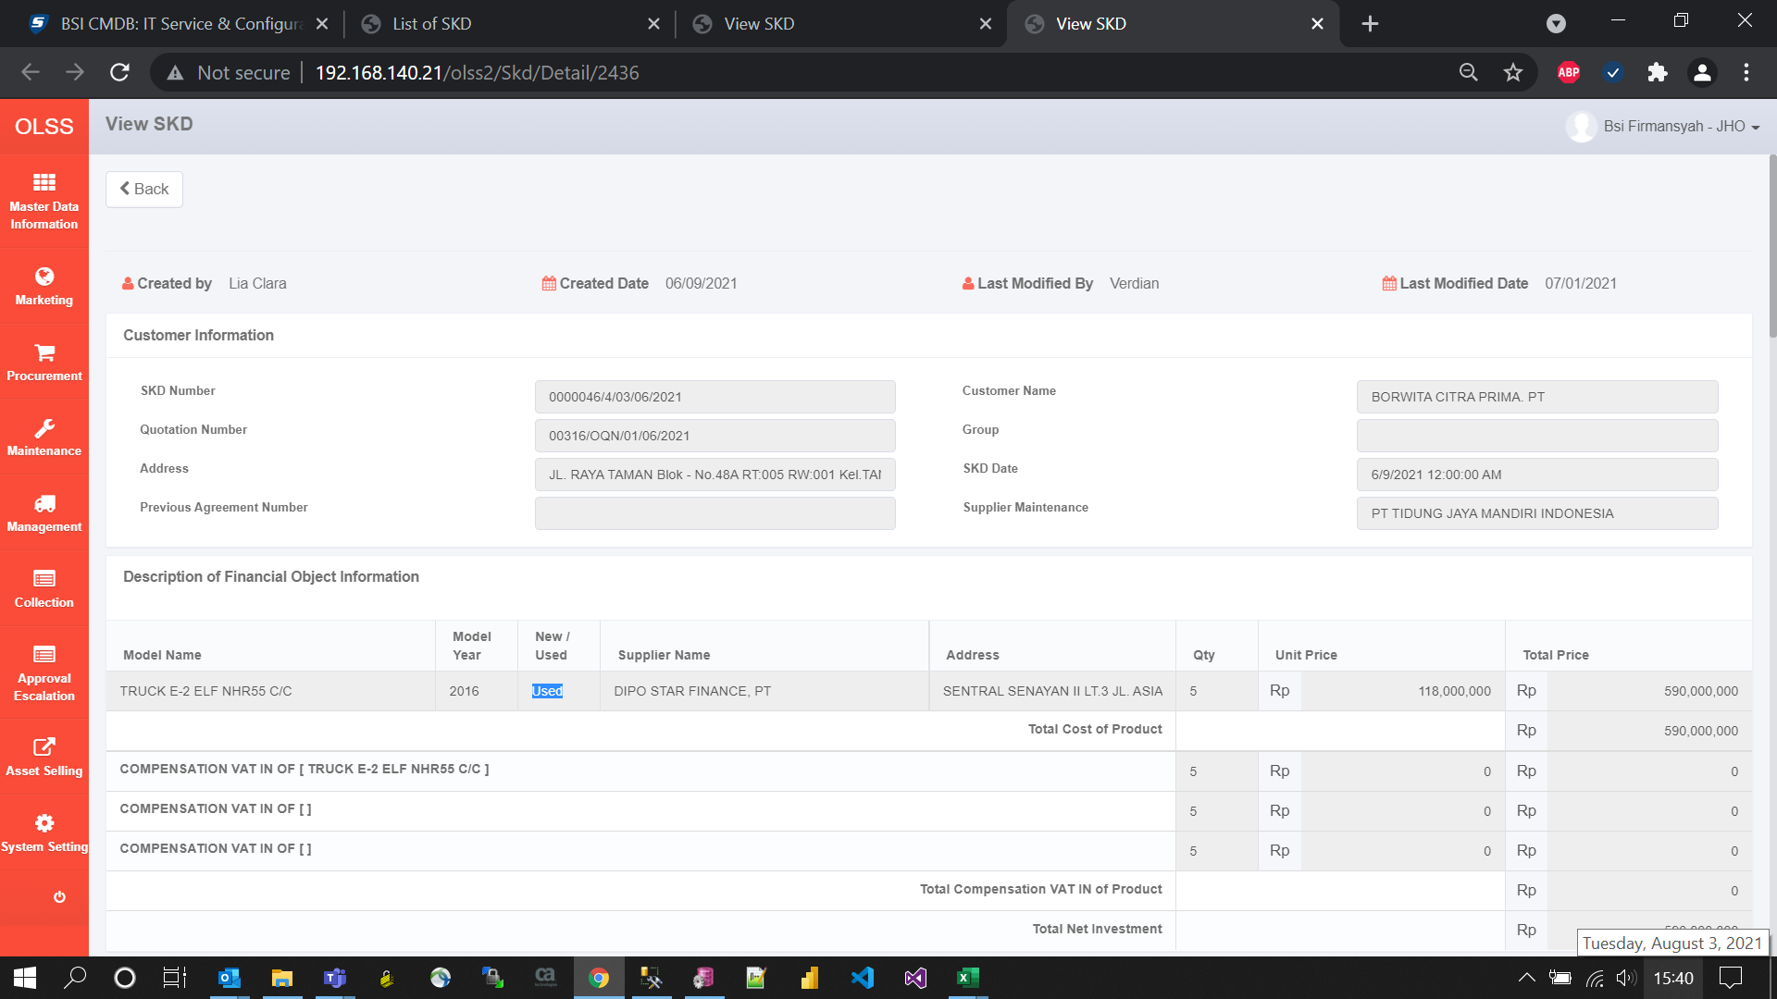
BEFORE



AFTER

